Symmetrical_TwoCell
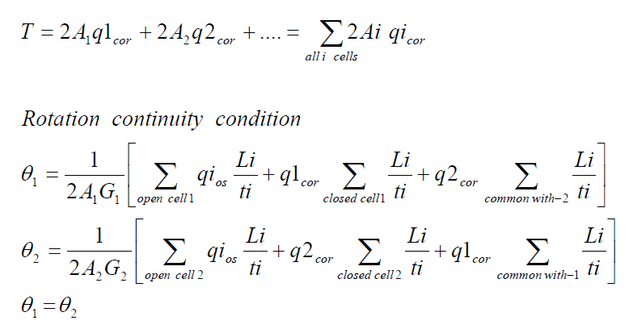
بسم الله الرحمن الرحيم
Redundant |  |  | Moment at Station 1 |  |  | Moment at Station 2 |  |  | Force in z-direction located at d from c.g. |  |  |  |  |  | Force in x-direction located at c from c.g. |  |  | Force in y-direction
A1(in^2) | 0.8 |  | Mx 1 | 100000 |  | Mx 2 | 200000 |  | Pz | 10000 |  | L | 10 |  | Px | 0 |  | Paxial | 0
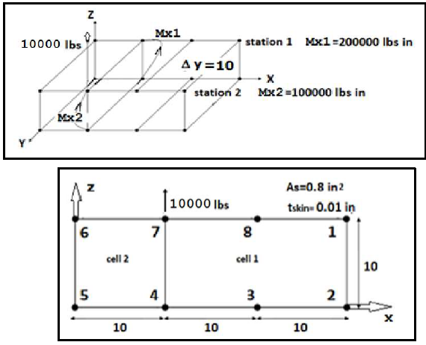
A2(in^2) | 0.8 |  | Mz 1 | 0 |  | Mz 2 | 0 |  | d | -5 |  | t | 0.01 |  | c | 0 |  | ∆y | 10
 |  |  | Ty 1 | 0 |  | Ty 2 | 0
 |  |  |  | Vertical Web Length |  | Horizontal Web Length
E | 10700000 | Fcy | 40000 | a | 10 | b1 | 10 | b2 | 10 | b3 | 10
w | 0.31075311744 | Eff | No
Set up a table to determine section Properties and determine stringer load P at each station
Station 1 (y = 0)
 |  | Origin located at 5 |  |  |  |  |  |  |  |  |  |  |  | For redundant stringers, set A_boom and A_eff =0
Stringer No. | Area(in^2) | x | z | A*x | A*z | X | Z | A*X^2 | A*Z^2 | A*X*Z | Stress | P | Paxial | A_boom | Comp/Ten | No. Sides | A_eff | a | b1 | b2 | b3
1 | 0.8 | 30 | 10 | 24 | 8 | 15 | 5 | 180 | 20 | 60 | -3125 | -2500 | 0 | 0.8 | C | 2 | 0.0031075311744 | 0 | 0 | 0 | 0
2 | 0.8 | 30 | 0 | 24 | 0 | 15 | -5 | 180 | 20 | -60 | 3125 | 2500 | 0 | 0.8 | T | 0 | 0.066666666667 | 1 | 0 | 0 | 1
3 | 0.8 | 20 | 0 | 16 | 0 | 5 | -5 | 20 | 20 | -20 | 3125 | 2500 | 0 | 0.8 | T | 0 | 0.1 | 0 | 0 | 1 | 1
4 | 0.8 | 10 | 0 | 8 | 0 | -5 | -5 | 20 | 20 | 20 | 3125 | 2500 | 0 | 0.8 | T | 0 | 0.11666666667 | 1 | 1 | 1 | 0
5 | 0.8 | 0 | 0 | 0 | 0 | -15 | -5 | 180 | 20 | 60 | 3125 | 2500 | 0 | 0.8 | T | 0 | 0.016666666667 | 1 | 0 | 0 | 0
6 | 0.8 | 0 | 10 | 0 | 8 | -15 | 5 | 180 | 20 | -60 | -3125 | -2500 | 0 | 0.8 | C | 2 | 0.0031075311744 | 0 | 0 | 0 | 0
7 | 0.8 | 10 | 10 | 8 | 8 | -5 | 5 | 20 | 20 | -20 | -3125 | -2500 | 0 | 0.8 | C | 3 | 0.0046612967616 | 0 | 0 | 0 | 0
8 | 0.8 | 20 | 10 | 16 | 8 | 5 | 5 | 20 | 20 | 20 | -3125 | -2500 | 0 | 0.8 | C | 2 | 0.0031075311744 | 0 | 0 | 0 | 0
 | ∑A |  |  | ∑Ax | ∑Az |  |  | Iz | Ix | Ixz |  | ∑P
 | 6.4 |  |  | 96 | 32 |  |  | 800 | 160 | 0 |  | 0
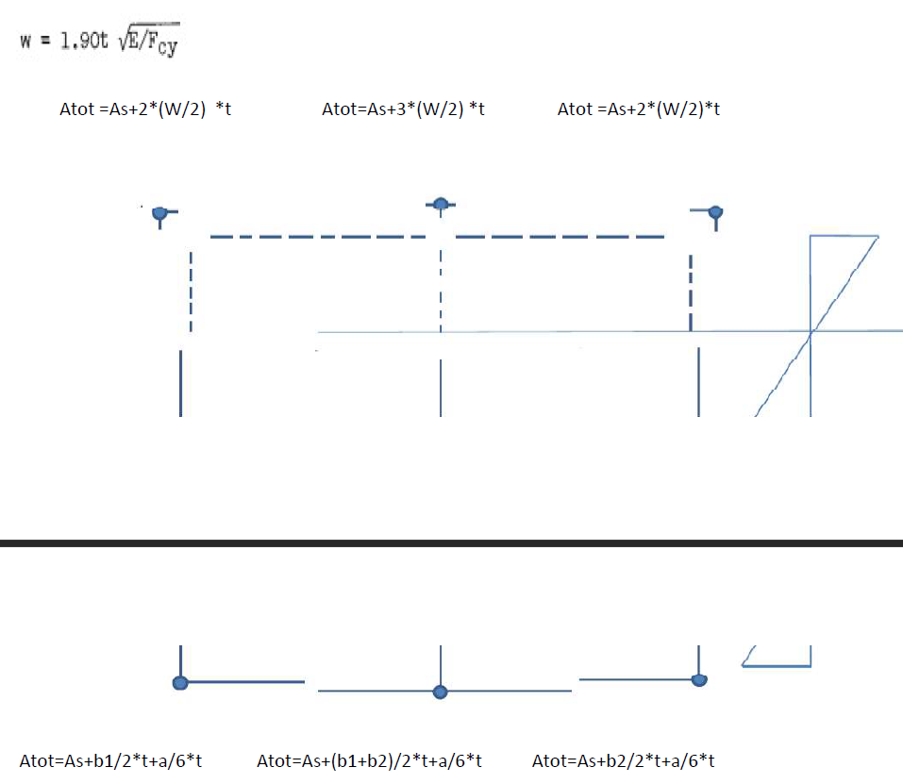
Location of c.g.: |  |  |  |  |  |  |  | Kxz | Kz | Kx
X_bar | 15 |  |  |  |  |  |  | 0 | 0.00625 | 0.00125
Z_bar | 5 |  |  |  |  |  |  | B1 | B2
 |  |  |  |  |  |  |  | 0 | 625
Station 2 (y = 10)
 |  | Origin located at 5
Stringer No. | Area(in^2) | x | z | A*x | A*z | X | Z | A*X^2 | A*Z^2 | A*X*Z | Stress | P | Paxial | A_boom | Comp/Ten | No. Sides | A_eff | a | b1 | b2 | b3
1 | 0.8 | 30 | 10 | 24 | 8 | 15 | 5 | 180 | 20 | 60 | -6250 | -5000 | 0 | 0.8 | C | 2 | 0.0031075311744 | 0 | 0 | 0 | 0
2 | 0.8 | 30 | 0 | 24 | 0 | 15 | -5 | 180 | 20 | -60 | 6250 | 5000 | 0 | 0.8 | T | 0 | 0.066666666667 | 1 | 0 | 0 | 1
3 | 0.8 | 20 | 0 | 16 | 0 | 5 | -5 | 20 | 20 | -20 | 6250 | 5000 | 0 | 0.8 | T | 0 | 0.1 | 0 | 0 | 1 | 1
4 | 0.8 | 10 | 0 | 8 | 0 | -5 | -5 | 20 | 20 | 20 | 6250 | 5000 | 0 | 0.8 | T | 0 | 0.11666666667 | 1 | 1 | 1 | 0
5 | 0.8 | 0 | 0 | 0 | 0 | -15 | -5 | 180 | 20 | 60 | 6250 | 5000 | 0 | 0.8 | T | 0 | 0.016666666667 | 1 | 0 | 0 | 0
6 | 0.8 | 0 | 10 | 0 | 8 | -15 | 5 | 180 | 20 | -60 | -6250 | -5000 | 0 | 0.8 | C | 2 | 0.0031075311744 | 0 | 0 | 0 | 0
7 | 0.8 | 10 | 10 | 8 | 8 | -5 | 5 | 20 | 20 | -20 | -6250 | -5000 | 0 | 0.8 | C | 3 | 0.0046612967616 | 0 | 0 | 0 | 0
8 | 0.8 | 20 | 10 | 16 | 8 | 5 | 5 | 20 | 20 | 20 | -6250 | -5000 | 0 | 0.8 | C | 2 | 0.0031075311744 | 0 | 0 | 0 | 0
 | ∑A |  |  | ∑Ax | ∑Az |  |  | Iz | Ix | Ixz |  | ∑P
 | 6.4 |  |  | 96 | 32 |  |  | 800 | 160 | 0 |  | 0

Location of c.g.: |  |  |  |  |  |  |  | Kxz | Kz | Kx
X_bar | 15 |  |  |  |  |  |  | 0 | 0.00625 | 0.00125
Z_bar | 5 |  |  |  |  |  |  | B1 | B2
 |  |  |  |  |  |  |  | 0 | 1250
Shear Calculations
 |  |  | P2-P1
Stringer No. | P(y = 0) | P(y = 10) | ∆P | ∆q
1 | -2500 | -5000 | -2500 | -250
2 | 2500 | 5000 | 2500 | 250
3 | 2500 | 5000 | 2500 | 250
4 | 2500 | 5000 | 2500 | 250
5 | 2500 | 5000 | 2500 | 250
6 | -2500 | -5000 | -2500 | -250
7 | -2500 | -5000 | -2500 | -250
8 | -2500 | -5000 | -2500 | -250

Skin 2-1 and 4-7 are temporarily cut, then shear flow in those web should be zero.
Assuming counter-clockwise for the shear flow with 4-7 in the dirction of cell 2

Moment at
x | z
-5 | 5

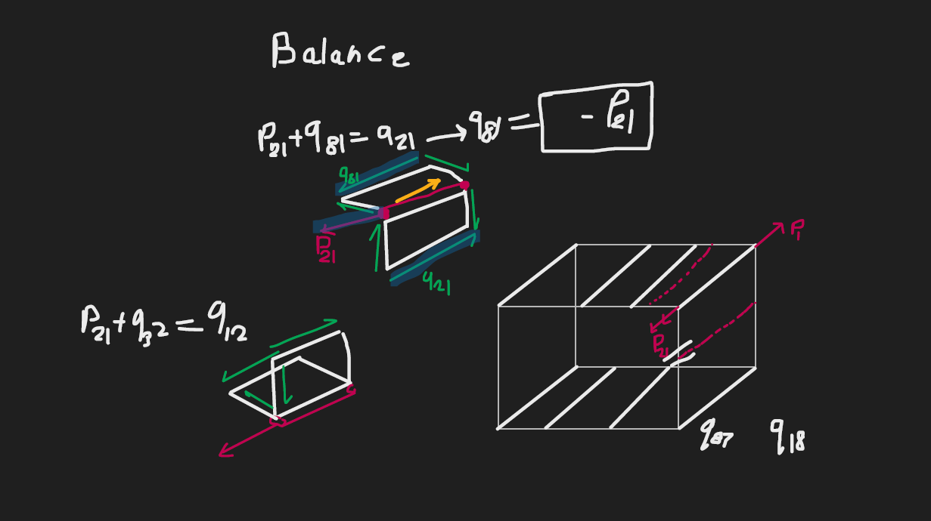
 |  |  |  |  | x position |  |  |  |  | z position
Web No. | Web Cut | Cell | qc(lbs/in) | Point 1 | Point 2 | Point 3 | dx | Vx | Point 1 | Point 2 | Point 3 | dz | Vz |  | A | 2A | Mc=qc*2A | L | t | L/t | qc*L/t |  |  | q_tot | Fx | Fz
Initial-Final |  |  |  | Ref | Final | Initial |  |  | Ref | Final | Initial
2-1 | Cut | 1 | 0 | -5 | 15 | 15 | 0 | 0 | 5 | 5 | -5 | 10 | 0 |  | 100 | 200 | 0 | 10 | 0.01 | 1000 | 0 |  |  | -298.07692308 | 0 | -2980.7692308
3-2 |  | 1 | 250 | -5 | 15 | 5 | 10 | 2500 | 5 | -5 | -5 | 0 | 0 |  | 50 | 100 | 25000 | 10 | 0.01 | 1000 | 250000 |  |  | -48.076923077 | -480.76923077 | 0
4-3 |  | 1 | 500 | -5 | 5 | -5 | 10 | 5000 | 5 | -5 | -5 | 0 | 0 |  | 50 | 100 | 50000 | 10 | 0.01 | 1000 | 500000 |  |  | 201.92307692 | 2019.2307692 | 0
5-4 |  | 2 | 750 | -5 | -5 | -15 | 10 | 7500 | 5 | -5 | -5 | 0 | 0 |  | 50 | 100 | 75000 | 10 | 0.01 | 1000 | 750000 |  |  | 96.153846154 | 961.53846154 | 0
6-5 |  | 2 | 1000 | -5 | -15 | -15 | 0 | 0 | 5 | -5 | 5 | -10 | -10000 |  | 50 | 100 | 100000 | 10 | 0.01 | 1000 | 1000000 |  |  | 346.15384615 | 0 | -3461.5384615
7-6 |  | 2 | 750 | -5 | -15 | -5 | -10 | -7500 | 5 | 5 | 5 | 0 | 0 |  | 0 | 0 | 0 | 10 | 0.01 | 1000 | 750000 |  |  | 96.153846154 | -961.53846154 | 0
8-7 |  | 1 | 500 | -5 | -5 | 5 | -10 | -5000 | 5 | 5 | 5 | 0 | 0 |  | 0 | 0 | 0 | 10 | 0.01 | 1000 | 500000 |  |  | 201.92307692 | -2019.2307692 | 0
1-8 |  | 1 | 250 | -5 | 5 | 15 | -10 | -2500 | 5 | 5 | 5 | 0 | 0 |  | 0 | 0 | 0 | 10 | 0.01 | 1000 | 250000 |  |  | -48.076923077 | 480.76923077 | 0
4-7 | Cut | 12 | 0 | -5 | -5 | -5 | 0 | 0 | 5 | 5 | -5 | 10 | 0 |  | 0 | 0 | 0 | 10 | 0.01 | 1000 | 0 |  |  | -355.76923077 | 0 | -3557.6923077
 |  |  |  |  |  |  |  | 0 |  |  |  |  | -10000 |  | ∑A | ∑2A | ∑Mc |  |  |  | ∑ | coef q1_cor | coef q2_cor |  | ∑ Fx | ∑ Fz
 |  |  |  |  |  |  |  | Balance |  |  |  |  | Balance | Cell 1 | 200 | 400 | 75000 |  |  |  | 1500000 | 6000 | -1000 |  | 0 | -10000
 |  |  |  |  |  |  |  |  |  |  |  |  |  | Cell 2 | 100 | 200 | 175000 |  |  |  | 2500000 | -1000 | 4000 |  | Balance | Balance
Continuity Equation Coefficients
coef q1_cor | coef q2_cor | free term
20 | -22.5 | 8750
Tourque Balance Equation Coefficients
coef q1_cor | coef q2_cor | free term |  | Pz*d | Px*c | T_external | ∑Mc_open
400 | 200 | -250000 |  | 0 | 0 | 0 | 250000
Solving system of equations for q_cor
AX = B
A |  |  | A^(-1) |  |  | B |  | X(q_cor)
20 | -22.5 |  | 0.015384615385 | 0.0017307692308 |  | 8750 |  | -298.07692308
400 | 200 |  | -0.030769230769 | 0.0015384615385 |  | -250000 |  | -653.84615385

